Sheet1
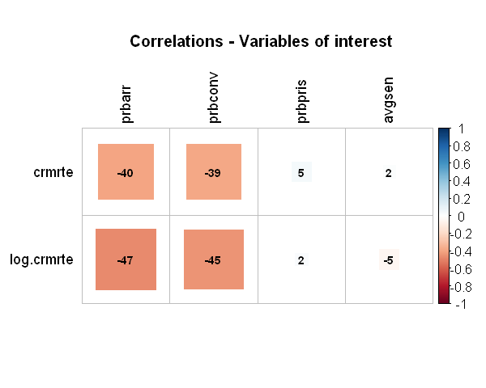
 | Variable | Predicted | Variable of interest | Confounding variable | Included in the regression
3 | crmrte | X | - | - | X
4 | prbarr | - | X | - | X
5 | prbconv | - | X | - | X
6 | prbpris | - | X | - | X
7 | avgsen | - | X | - | X
8 | polpc | - | X | - | X
9 | density | - | - | X | X
10 | taxpc | - | - | X | X
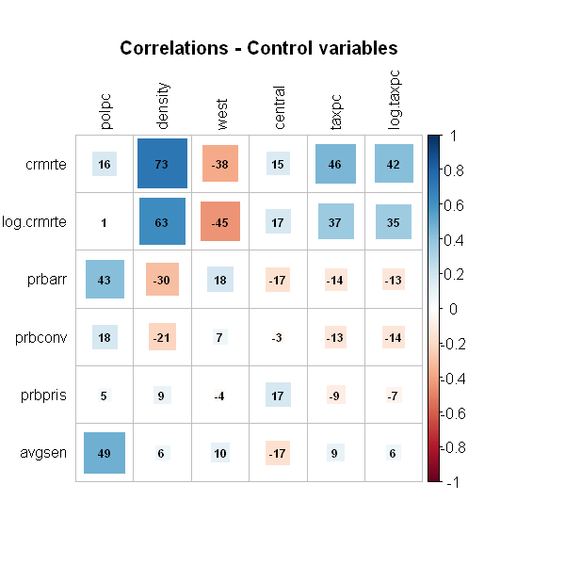
11 | west | - | - | X | X
12 | central | - | - | X | X

